GWP2
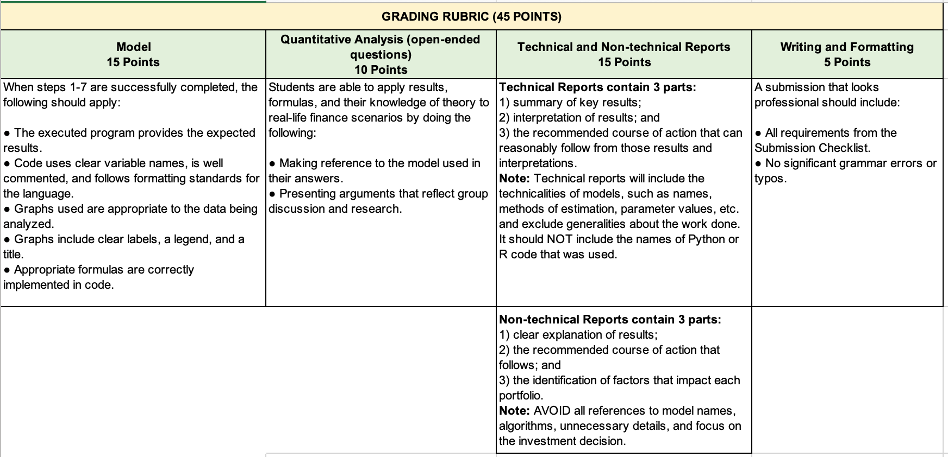
 | Context: Assume you are an Alternative Investments (gold and/or bitcoin) Portfolio Manager. Then the world was impacted by a pandemic. Compare 3 asset classes during COVID-19.
 | Steps 1 through 7 must be done using Python in a Jupyter notebook or R knitted file. Be sure to explicitly show output, either numerically or visually, whichever seems more appropriate. See the "Rubric" and "Submission Checklist" tab for more details.
0 | Selecting a data set
 | Make sure you use the same ETF data securities from GWP1.
0.1 | Select a gold Exchange Traded Fund.
0.2 | Select an equity ETF from outside the US
0.3 | Select bitcoin.
1 | Data Importing
1.1 | Import closing prices for the entire year of 2020 for your gold ETF, your equity ETF, and bitcoin.
1.2 | Import your gold ETF prices for the months of April 2020 through Dec 2020. (Therefore, you do not need the first few months of data you imported)
1.3 | Import your equity ETF prices for the months of April 2020 through Dec 2020. (Therefore, you do not need the first few months of data you imported)
1.4 | Import your bitcoin prices for the months of April 2020 through Dec 2020. (Therefore, you do not need the first few months of data you imported)
2 | Data Processing
2.1 | Compute the daily returns of your gold ETF, your Equity ETF, and bitcoin of April 2020 through Dec 2020
3 | Data Summaries
3.1 | Compute a 20-day moving average price of your gold ETF. The moving average price on 1 April 2020 should include data from March. Be sure to either graph or show a table of these values.
3.2 | Compute a 20-day moving average price of your equity ETF. The moving average price on 1 April 2020 should include data from March.
3.3 | Compute a 20-day moving average price of bitcoin. The moving average price on 1 April 2020 should include data from March.
4 | Graphing
4.1 | Graph each price series along with its moving average from April 2020 through Dec 2020.
4.2 | Comments on how the price series and average series intersect or not.
4.3 | Graph gold and equity prices on the same plot. Use a separate scale for each series, and be sure to add a label and legend
4.4 | Graph gold and bitcoin prices on the same plot. Use a separate scale for each series, and be sure to add a label and legend
4.5 | Graph equity and bitcoin prices on the same plot. Use a separate scale for each series, and be sure to add a label and legend
5 | Fitting a GARCH Model
5.1 | Pick one of the 3 series (gold, equity, or bitcoin). Fit a GARCH model for quarter 2 (Q2). Fit a GARCH model for quarter 3 (Q3). Fit a GARCH model for quarter 4 (Q4).
5.2 | Repeat the process, but instead using GARCH-M Model
5.3 | Repeat the process one more time, using another variation of GARCH (e.g. Threshold GARCH, Exponential GARCH, Integrated GARCH)
5.4 | What are the 3 long-term variances indicated by the models. (1 point for each correct variance)
6 | Assessing stationarity
6.1 | Pick 1 of the 3 quarters in 2020 (Q2, Q3, or Q4). Test your gold ETF for stationarity. Explicitly state which test you used to determine stationarity
6.2 | Using the same quarter, test your equity ETF for stationarity. Explicitly state which test you used to determine stationarity
6.3 | Using the same quarter, test Bitcoin for stationarity. Explicitly state which test you used to determine stationarity
7 | Modelling Cointegration
7.1 | Using Q2 and Q3 data (April - Sept period), test all the 3 combinations of cointegration using Engle-Granger and Johansen test as following: (gold, equity), (equity, bitcoin) and (bitcoin, gold).
7.2 | Explain if Johansen test and Engle-Granger provided different results.
7.3 | Implement a VEC model and forecast Q4 evolution. Comment results. (Provide arguments if VEC can not be used).
7.4. | Implement a VAR model and forecast Q4 evolution. Comment results.
7.5. | Repeat the entire process using all three variables (equity, gold and bitcoin). Comment forecasts and results.
8 | Correlation vs Cointegration
 | Discuss as a group and include the answers in the html document. Briefly explain your answers with an example from the data set you are using. Max 300 words.
8.1 | Does correlation have a direction? In other words, is the correlation of x and y equal to correlation of y and x?
8.2 | Does linear regression have a direction? Are the slope and intercept the same if x is regressed on y, or y is regressed on x?
8.2 | Does cointegration have a direction? Will the cointegrating vector be the same if x is regressed on y, or if y is regressed on x?
9 | Discussion
 | As a group, discuss the impact that COVID-19 had on each portfolio (gold and Bitcoin). Discuss answers for questions 9.1 and 9.2.
 | If your group has fewer than 3 members, then questions 9.1 and 9.2 should be done by different group members; 9.3 should be done jointly.
9.1 | As an Alternative Investments (gold and/or bitcoin) portfolio manager, write a TECHNICAL 1-page report about your findings during the investment year of COVID. Complete answers contain 3 parts: summary of key results; their interpretation; and the recommended course of action that can reasonably follow from those results and interpretations. Possible courses of action include trading, hedging, re-allocating, etc. Technical reports will include the technicalities of models, such as names, methods of estimation, parameter values, etc. and exclude generalities about the work done. It should NOT include the names of Python or R code that was used.
9.2 | As Alternative Investments (gold and/or bitcoin) portfolio manager, write a NON-TECHNICAL paragraph or two to your client base explaining your performance relative to equity investments. Complete answers contain 3 parts: 1) clear explanation of results; 2) the recommended course of action that follows; 3) identify factors that impact each portfolio. This time, however, the intended audience is non-technical, so AVOID all references to model names, algorithms, unnecessary details, and focus on the investment decision.
9.3 | Write a 1-page report that specifically explains how your group divided the work with details.

